Trapping rain water
LEVEL TITLE
QUESTION TITLE | Trapping rain water
LANGUAGE | ENGLISH
MARKS | 20
LEVEL | -
QUESTION DATA | 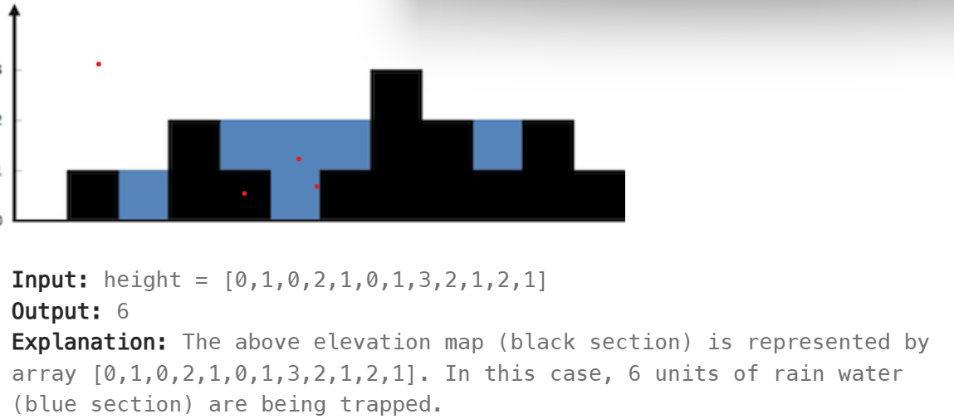 Given n non-negative integers representing an elevation map where the width of each bar is 1, compute how much water it can trap after rainin.
INPUT FORMAT | Accept integer array as a ipute
OUTPUT FORMAT | Display the result as mensioned in the sample input and output.
CONSTRAINTS | NA
ALLOWED LANGUAGES | C,JAVA,python,C++
ANSWER | public class TrappingRainWater { public int trap(int[] height) { if (height == null || height.length == 0) return 0; int left = 0, right = height.length - 1; int leftMax = 0, rightMax = 0, water = 0; while (left < right) { if (height[left] < height[right]) { if (height[left] >= leftMax) { leftMax = height[left]; } else { water += leftMax - height[left]; } left++; } else { if (height[right] >= rightMax) { rightMax = height[right]; } else { water += rightMax - height[right]; } right--; } } return water; } public static void main(String[] args) { Scanner scanner = new Scanner(System.in); int n = scanner.nextInt(); int[] height = new int[n]; for (int i = 0; i < n; i++) { height[i] = scanner.nextInt(); } TrappingRainWater solution = new TrappingRainWater(); System.out.println(solution.trap(height)); scanner.close(); } }
CODE STUB | NA
TYPE | SAMPLE
INPUT | 0,1,0,2,1,0,1,3,2,1,2,1
OUTPUT | 6

TYPE | SAMPLE
INPUT | 4,2,0,3,2,5
OUTPUT | 9

